Sheet2
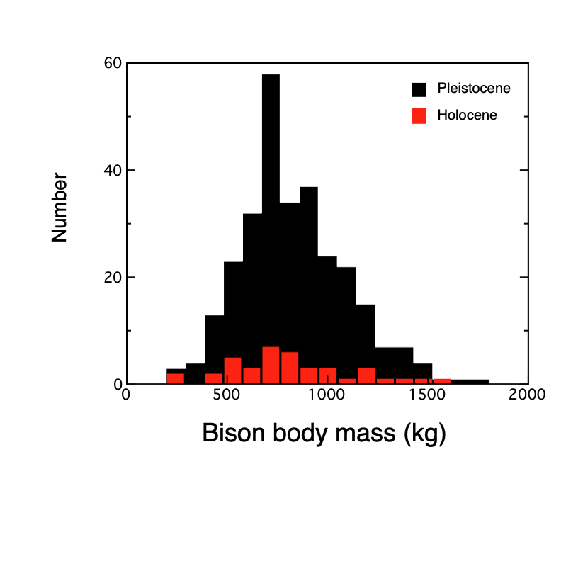
 | Holocene | Pleistocene w/o extinct | Pleistocene with extinct sp | Bison definitely id'ed as extinct sp | Ok. In cleanning this up when I have multiple measurements for a specimen, I used the element with the highest r2; deleted 3 animals half the size of modern (so 300 kg or less)
N | 41.0 | 282.0 | 290.0 | 8.0 | Tsubamoto, T. 2014. Estimating body mass from the astragalus in mammals. Acta Palaeontologica Polonica 59 (2): 259–265.
Mean | 783.8 | 817.6 | 821.1 | 944.8
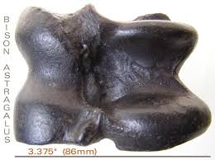
Stdev | 330.4 | 273.3 | 275.8 | 352.2

 | 1540.8 | 1804.9 | 1804.9 | 1387.4
 | 1464.5 | 1666.2 | 1666.2 | 1300.2
 | 1335.7 | 1549.3 | 1549.3 | 1057.7
 | 1249.4 | 1510.5 | 1510.5 | 1018.3
 | 1239.9 | 1477.1 | 1477.1 | 958.1
 | 1190.2 | 1463.3 | 1463.3 | 845.2
 | 1149.2 | 1463.1 | 1463.1 | 735.5
 | 1086.5 | 1413.9 | 1413.9 | 256.3
 | 998.1 | 1401.2 | 1401.2
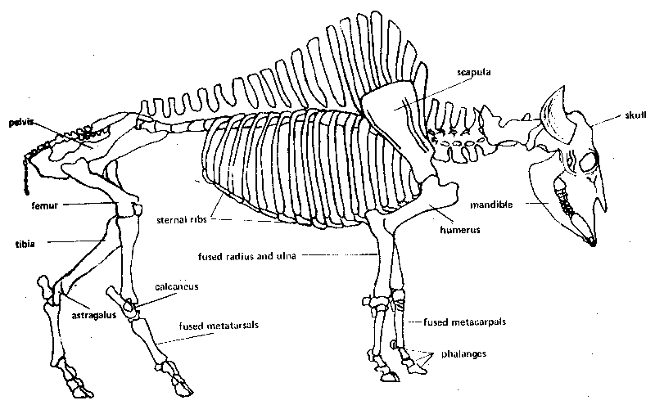
 | 981.8 | 1373.5 | 1387.4
 | 966.5 | 1369.3 | 1373.5
 | 924.5 | 1355.2 | 1369.3
 | 909.1 | 1349.4 | 1355.2
 | 866.9 | 1312.7 | 1349.4
 | 858.5 | 1295.0 | 1312.7
 | 853.5 | 1285.1 | 1300.2
 | 840.7 | 1276.9 | 1295.0
 | 833.3 | 1256.1 | 1285.1
 | 771.7 | 1247.4 | 1276.9
 | 768.3 | 1219.5 | 1256.1
 | 754.4 | 1218.8 | 1247.4
 | 751.9 | 1215.1 | 1219.5
 | 749.9 | 1214.2 | 1218.8
 | 747.2 | 1211.3 | 1215.1
 | 723.0 | 1200.7 | 1214.2
 | 717.4 | 1194.4 | 1211.3
 | 714.0 | 1185.9 | 1200.7
 | 643.7 | 1177.0 | 1194.4
 | 606.2 | 1174.5 | 1185.9
 | 578.7 | 1172.9 | 1177.0
 | 558.1 | 1168.6 | 1174.5
 | 539.9 | 1160.2 | 1172.9
 | 518.9 | 1159.4 | 1168.6
 | 512.4 | 1152.1 | 1160.2
 | 496.7 | 1143.6 | 1159.4
 | 450.0 | 1140.0 | 1152.1
 | 405.0 | 1126.9 | 1143.6
 | 274.1 | 1115.1 | 1140.0
 | 241.9 | 1113.1 | 1126.9
 | 168.4 | 1104.3 | 1115.1
 | 153.2 | 1101.9 | 1113.1
 |  | 1101.1 | 1104.3
 |  | 1100.5 | 1101.9
 |  | 1100.4 | 1101.1
 |  | 1092.2 | 1100.5
 |  | 1091.7 | 1100.4
 |  | 1080.1 | 1092.2
 |  | 1077.2 | 1091.7
 |  | 1075.6 | 1080.1
 |  | 1075.0 | 1077.2
 |  | 1067.9 | 1075.6
 |  | 1066.6 | 1075.0
 |  | 1056.9 | 1067.9
 |  | 1055.8 | 1066.6
 |  | 1053.8 | 1057.7
 |  | 1047.6 | 1056.9
 |  | 1047.0 | 1055.8
 |  | 1025.9 | 1053.8
 |  | 1020.8 | 1047.6
 |  | 1017.2 | 1047.0
 |  | 1010.3 | 1025.9
 |  | 1007.2 | 1020.8
 |  | 1005.4 | 1018.3
 |  | 1003.5 | 1017.2
 |  | 999.9 | 1010.3
 |  | 995.5 | 1007.2
 |  | 995.3 | 1005.4
 |  | 989.4 | 1003.5
 |  | 985.4 | 999.9
 |  | 983.7 | 995.5
 |  | 972.9 | 995.3
 |  | 972.7 | 989.4
 |  | 970.9 | 985.4
 |  | 969.8 | 983.7
 |  | 967.0 | 972.9
 |  | 966.1 | 972.7
 |  | 955.3 | 970.9
 |  | 948.9 | 969.8
 |  | 947.0 | 967.0
 |  | 947.0 | 966.1
 |  | 940.7 | 958.1
 |  | 934.1 | 955.3
 |  | 933.4 | 948.9
 |  | 933.1 | 947.0
 |  | 929.1 | 947.0
 |  | 925.5 | 940.7
 |  | 922.4 | 934.1
 |  | 920.5 | 933.4
 |  | 914.8 | 933.1
 |  | 914.8 | 929.1
 |  | 911.6 | 925.5
 |  | 911.5 | 922.4
 |  | 909.1 | 920.5
 |  | 905.4 | 914.8
 |  | 904.9 | 914.8
 |  | 892.2 | 911.6
 |  | 890.7 | 911.5
 |  | 888.3 | 909.1
 |  | 887.4 | 905.4
 |  | 883.4 | 904.9
 |  | 880.7 | 892.2
 |  | 877.5 | 890.7
 |  | 876.4 | 888.3
 |  | 876.1 | 887.4
 |  | 875.6 | 883.4
 |  | 875.1 | 880.7
 |  | 874.9 | 877.5
 |  | 874.8 | 876.4
 |  | 870.8 | 876.1
 |  | 870.8 | 875.6
 |  | 866.5 | 875.1
 |  | 865.8 | 874.9
 |  | 863.8 | 874.8
 |  | 862.3 | 870.8
 |  | 857.9 | 870.8
 |  | 856.7 | 866.5
 |  | 854.9 | 865.8
 |  | 853.6 | 863.8
 |  | 851.1 | 862.3
 |  | 849.6 | 857.9
 |  | 836.0 | 856.7
 |  | 833.3 | 854.9
 |  | 832.5 | 853.6
 |  | 831.3 | 851.1
 |  | 827.3 | 849.6
 |  | 827.1 | 845.2
 |  | 822.4 | 836.0
 |  | 821.3 | 833.3
 |  | 815.2 | 832.5
 |  | 812.8 | 831.3
 |  | 811.8 | 827.3
 |  | 809.9 | 827.1
 |  | 809.5 | 822.4
 |  | 808.5 | 821.3
 |  | 808.4 | 815.2
 |  | 805.8 | 812.8
 |  | 800.1 | 811.8
 |  | 796.9 | 809.9
 |  | 786.7 | 809.5
 |  | 785.7 | 808.5
 |  | 777.0 | 808.4
 |  | 776.1 | 805.8
 |  | 775.1 | 800.1
 |  | 774.9 | 796.9
 |  | 770.3 | 786.7
 |  | 768.1 | 785.7
 |  | 765.1 | 777.0
 |  | 763.7 | 776.1
 |  | 763.1 | 775.1
 |  | 762.6 | 774.9
 |  | 760.8 | 770.3
 |  | 760.4 | 768.1
 |  | 758.7 | 765.1
 |  | 758.3 | 763.7
 |  | 756.9 | 763.1
 |  | 754.3 | 762.6
 |  | 754.1 | 760.8
 |  | 750.4 | 760.4
 |  | 749.6 | 758.7
 |  | 746.3 | 758.3
 |  | 743.1 | 756.9
 |  | 738.7 | 754.3
 |  | 737.7 | 754.1
 |  | 733.9 | 750.4
 |  | 731.8 | 749.6
 |  | 729.1 | 746.3
 |  | 727.4 | 743.1
 |  | 724.8 | 738.7
 |  | 724.1 | 737.7
 |  | 721.6 | 735.5
 |  | 720.1 | 733.9
 |  | 711.5 | 731.8
 |  | 710.1 | 729.1
 |  | 709.0 | 727.4
 |  | 708.8 | 724.8
 |  | 707.8 | 724.1
 |  | 707.0 | 721.6
 |  | 706.5 | 720.1
 |  | 706.2 | 711.5
 |  | 703.4 | 710.1
 |  | 702.5 | 709.0
 |  | 702.2 | 708.8
 |  | 701.7 | 707.8
 |  | 700.0 | 707.0
 |  | 699.8 | 706.5
 |  | 698.9 | 706.2
 |  | 691.6 | 703.4
 |  | 691.5 | 702.5
 |  | 691.5 | 702.2
 |  | 690.7 | 701.7
 |  | 688.6 | 700.0
 |  | 686.2 | 699.8
 |  | 685.5 | 698.9
 |  | 683.8 | 691.6
 |  | 682.8 | 691.5
 |  | 680.5 | 691.5
 |  | 678.4 | 690.7
 |  | 678.3 | 688.6
 |  | 676.9 | 686.2
 |  | 676.5 | 685.5
 |  | 675.8 | 683.8
 |  | 672.8 | 682.8
 |  | 672.2 | 680.5
 |  | 671.0 | 678.4
 |  | 666.8 | 678.3
 |  | 660.6 | 676.9
 |  | 659.9 | 676.5
 |  | 656.3 | 675.8
 |  | 655.5 | 672.8
 |  | 648.2 | 672.2
 |  | 647.7 | 671.0
 |  | 647.1 | 666.8
 |  | 645.5 | 660.6
 |  | 642.0 | 659.9
 |  | 638.2 | 656.3
 |  | 631.5 | 655.5
 |  | 628.5 | 648.2
 |  | 627.4 | 647.7
 |  | 626.3 | 647.1
 |  | 625.8 | 645.5
 |  | 623.0 | 642.0
 |  | 622.8 | 638.2
 |  | 621.0 | 631.5
 |  | 617.0 | 628.5
 |  | 615.5 | 627.4
 |  | 608.7 | 626.3
 |  | 605.9 | 625.8
 |  | 605.0 | 623.0
 |  | 601.1 | 622.8
 |  | 598.5 | 621.0
 |  | 596.8 | 617.0
 |  | 593.5 | 615.5
 |  | 591.6 | 608.7
 |  | 587.9 | 605.9
 |  | 585.7 | 605.0
 |  | 580.2 | 601.1
 |  | 570.8 | 598.5
 |  | 570.2 | 596.8
 |  | 569.7 | 593.5
 |  | 558.9 | 591.6
 |  | 558.2 | 587.9
 |  | 554.8 | 585.7
 |  | 553.3 | 580.2
 |  | 551.7 | 570.8
 |  | 545.8 | 570.2
 |  | 542.8 | 569.7
 |  | 534.6 | 558.9
 |  | 533.1 | 558.2
 |  | 524.5 | 554.8
 |  | 519.2 | 553.3
 |  | 515.9 | 551.7
 |  | 513.7 | 545.8
 |  | 506.0 | 542.8
 |  | 505.9 | 534.6
 |  | 505.5 | 533.1
 |  | 499.3 | 524.5
 |  | 497.3 | 519.2
 |  | 495.2 | 515.9
 |  | 489.2 | 513.7
 |  | 471.9 | 506.0
 |  | 454.5 | 505.9
 |  | 453.0 | 505.5
 |  | 452.2 | 499.3
 |  | 450.1 | 497.3
 |  | 439.4 | 495.2
 |  | 437.7 | 489.2
 |  | 431.1 | 471.9
 |  | 425.7 | 454.5
 |  | 399.2 | 453.0
 |  | 398.8 | 452.2
 |  | 388.9 | 450.1
 |  | 386.4 | 439.4
 |  | 376.8 | 437.7
 |  | 348.6 | 431.1
 |  | 342.2 | 425.7
 |  | 307.7 | 399.2
 |  | 284.0 | 398.8
 |  | 199.4 | 388.9
 |  | 173.8 | 386.4
 |  | 150.2 | 376.8
 |  | 124.6 | 348.6
 |  | 105.3 | 342.2
 |  |  | 307.7
 |  |  | 284.0
 |  |  | 256.3
 |  |  | 199.4
 |  |  | 173.8
 |  |  | 150.2
 |  |  | 124.6
 |  |  | 105.3

